1. Title Page
[Instacart Grocery Basket Analysis]

Project Name: Instacart Grocery Basket Analysis
Date: 3/18/23
Analyst Name: Catherine Mikelson

Contents:
Population Flow
Consistency checks
Wrangling steps
Column derivations
Visualizations
Recommendations

Data Source:
“The Instacart Online Grocery Shopping Dataset 2017”, Accessed from https://www.instacart.com/datasets/grocery-shopping-2017
"Customer Dataset", Accessed on Career Foundry. Created by CF for learning purposes, https://careerfoundry.com/en/course/data-immersion/exercise/coding-etiquette-reporting#jupyter-tips-and-tricks

2. Population Flow
Title page

Population flow

Exclusion flag
Condition: max_order < 5
Obervations to be removed: 1,440,295
Final total count of order_products_all: 32,404,859

Orders_products_combined
Orders_products_merged
Orders_products_all

Total: 32,404,859
Total: 3,421,083
Total: 32,404,859

1.) The grey boxes in the first row of the population flow represent the original data sets as they were when you downloaded them. In the Total fields you need to add the count of the rows when you imported the data set into Jupyter.
2.) The second row of boxes (coloured) represents the data sets after you manipulated them, e.g., removed missing values and duplicates. In the Total fields you need to add the count of the rows after conducting these operations. This offers a visual oveview of how the data flows throughout the data consistency checks.
3.) The third row, where also the arrows are coloured, represents the merges you performed between the datasets. In the Total fields you need to add the count of the rows in the merged datasets, so that you end up with the final dataset (in the red box). Keep in mind the final dataset should be without exclusions (based on the exclusion flag).

3. Consistency checks
 |  |  |  | Title page
Consistency checks

Dataset | Missing values | Missing values treatment | Duplicates
orders | days_since_prior_order = 206,209 missing values | New column created to indicate that the NaN values are associated with new customers. | none
products | product_name = 16 missing values | none | 5 duplicates found and removed
orders_products_prior | none | none | none
customers | none | none | none

4. Wrangling steps
 |  |  |  | Title page
Wrangling steps

Columns dropped | Columns renamed | Columns' type changed | Comment/Reason
['eval_set'] |  |  | .Irrelevant to project.
 | 'order_dow' : 'orders_day_of_the_week' |  | New name is clearer.
 |  | ['order_id'] | Changed from integer to string as this ia a qualitative variable.
 |  | ['user_id'] | Changed from integer to string as this ia a qualitative variable.
 | 'order_number' : 'number_of_orders_placed' |  | New name is clearer.
Unnamed: 0.1, Unnamed: 0 |  |  | Redundant Indexing
First Name, Surnam |  |  | Personally Identifiable Information (PII)
 | 'Gender' : 'gender'
 | 'STATE' : 'state'
 | 'Age' : 'age'
 | 'n_dependants' : 'number_of_dependants'
 | 'fam_status' : 'marital_status'

5. Column derivations
 |  |  |  | Title page

Column derivations and aggregations

In this tab you should add tables below that the frequences of flags/label variables that you produced after deriving them. NB: don't do this for continuous variables, only for flags.
Dataset | New column | Column/s it was derived from | Conditions
ords_prods_merged.pkl | price_range | prices | If price is > $15: "high range product", If price is > $5 and <= $15: "mid-range product" If price is <=$5: "low-range product"
ords_prods_merged.pkl | busiest_day | orders_day_of_week | If day is 0 - "Busiest day" If day is 4 - "Least busy" Else - "Regularly Busy"
ords_prods_merged.pkl | busiest_days | orders_day_of_week | If day is 0 or 1 - "Busiest days" If day is 3 or 4 - "Least busy days" Else - "Regularly busy days"
ords_prods_merged.pkl | busiest_hour | order_hour_of_day | If hour is 9-16 - "most orders" If hour is 1-5 - "fewest orders" Else - "average orders"
ords_prods_merged_2.pkl | loyalty_flag | grouped by: user_id aggregated by: max of order_number | If user's max_order value is > 40 - "Loyal customer" If user's max_order value is <= 40 and >10 - "Regular customer" If user's max_order value is <= 10 - "New customer"
ords_prods_merged_3.pkl | spending_flag | grouped by: user_id aggregated by: avg of prices | If user's avg price is >= 10 - "High spender" If user's avg price is < 10 - "Low spender"
ords_prods_merged_3.pkl | frequency_flag | grouped by: user_id aggregated by: median of days_since_prior_order | If user's median frequency is > 20 - "Non-frequent customer" If user's median frequency is <= 20 and > 10 - "Regular customer" If user's median frequency is <= 10 - "Frequent customer"
ords_prods_cust.pkl | region | grouped by state | North_East = ['Maine', 'New Hampshire', 'Vermont', 'Massachusetts', 'Rhode Island', 'Connecticut', 'New York', 'Pennsylvania', 'New Jersey']
 |  |  | Mid_West = ['Wisconsin', 'Michigan', 'Illinois', 'Indiana', 'Ohio', 'North Dakota', 'South Dakota', 'Nebraska', 'Kansas', 'Minnesota', 'Iowa', 'Missouri']
 |  |  | South = ['Delaware', 'Florida', 'Georgia', 'Maryland', 'North Carolina', 'South Carolina', 'Virgina', 'District of Columbia', 'West Virginia', 'Alabama', 'Kentucky', 'Mississippi', 'Tennessee', 'Arkansas', 'Louisiana', 'Oklahoma', 'Texas']
 |  |  | West = ['Arizona', 'Colorado', 'Idaho', 'Montana', 'Nevada', 'New Mexico', 'Utah', 'Wyoming', 'Alaska', 'California', 'Hawaii', 'Oregon', 'Washington']
df_high_activity | age_flag | age | If age is >= 65, 'Retiree' If age is >= 40 and < 65, 'Middle Aged' If age is <40, 'Young Adult'
df_high_activity | dependant_flag | dependants | If dependants is > 0 - 'Dependants' If dependants is = 0 - 'No Dependants'
df_high_activity | income_bracket | income | If income is >= 156600 - 'High Income' If income is >= 52200 and < 156600 - 'Middle Income' If income is < 52200 - 'Low Income'

6. Visuals & Recommendations
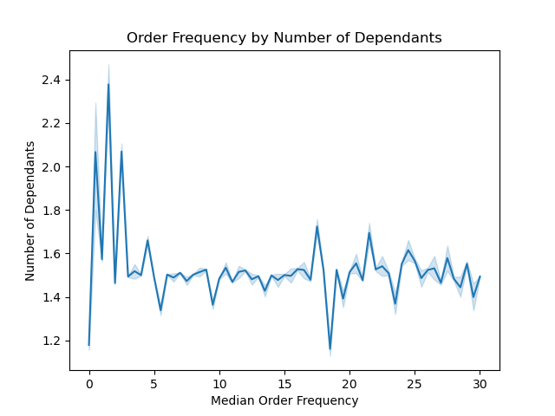
Title page

Visualisations

1. What are the busiest days of the week and hours of the day?

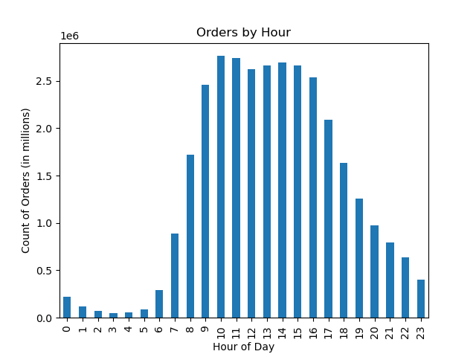

ANSWER:
DAYS: Saturday and Sunday are the most popular days for shoppers.
HOURS: Orders are at their highest between 9am and 4pm.
RECOMMENDATIONS:
Determine the profile of the off peak IC customer and advertise to them. And/or, incentivize using IC during those off peak hours/days.

2. Are there particular times of the day when people spend the most money?



ANSWER:
There is no particular time of day where the most money is spent. There is a dip in price around 9-10am, which is oddly when the number of orders begin to peak.

3. Instacart has a lot of products with different price tags. Marketing and sales want to use simpler price range groupings to help direct their efforts.

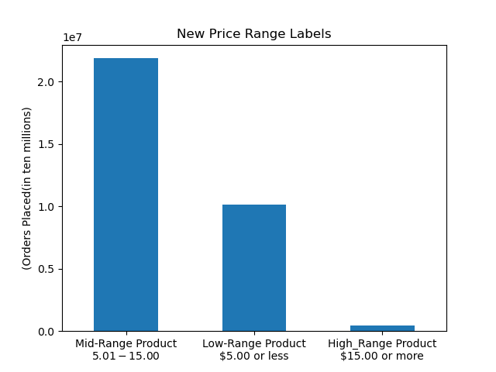

ANSWER:
Products have been seprated into 3 groupings:
Low-Range - $5.00 or less
Mid-Range - Between $5.00 and $15.00
High-Range - $15.00 or more

4. Are certain types of products more popular than others?

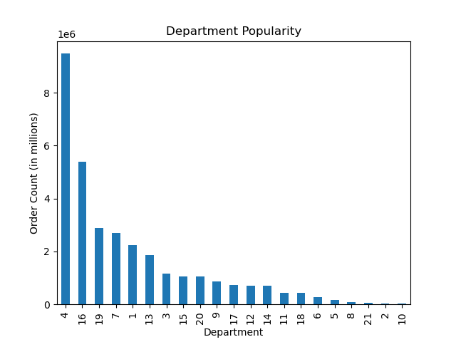

ANSWER:
There is a wide spectrum of popularity.
Departments 4 and 16 are most popular.
Departments 2 and 10 are the least popular.
RECOMMENDATIONS:
Offer new, exciting products in the popular departments to bolster sales further.
Similarly, examine why other Departments have the least number of sales. Then, strategize how to improve them.

5. What’s the distribution among users in regards to their brand loyalty (i.e., how often do they return to Instacart)?


ANSWER:
Regular Customers are the primary users of Instacart, followed by Loyal Customers.
RECOMMENDATIONS:
Look into ways to turn Regular Customers into Loyal Customers by increasing their number of orders. Likewise, examine possibilities for increasing orders in New Customers including incentivizing returning to the platform after their first visit.

10 < and <= 40 orders
more than 40 orders
10 or fewer orders

6. Are there differences in ordering habits based on a customer’s loyalty status?

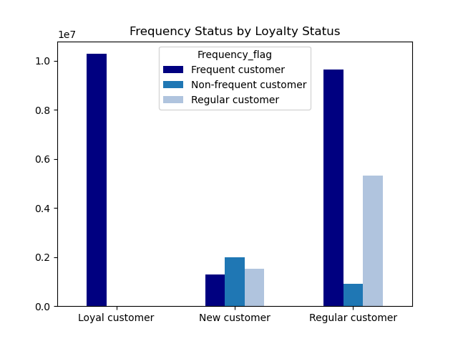

Percentage of Frequency by Loyalty Status

10 or fewer orders
10 < and <= 40 orders
ANSWER:
All Customers overwhelmingly purchase products that are low (<$10) in price.
Loyal Customers order frequently (~100%) .
Regular Customers are primarily frequent users (61% ) and regular users (34%).
New Customers are more evenly spread. 41% are infrequent users, 32% are regular users, and 27% are frequent users.
RECOMMENDATIONS:
Explore ways to turn Regular customers into Frequent users.
Strategize to reduce days between orders of the 41% of new customers who are infrequent users.

Frequent Customer: average number of days between orders is <= 10
Regular Customer: average number of days between orders is <= 20 and > 10
Non-frequent Customer: average number of days between orders is >20

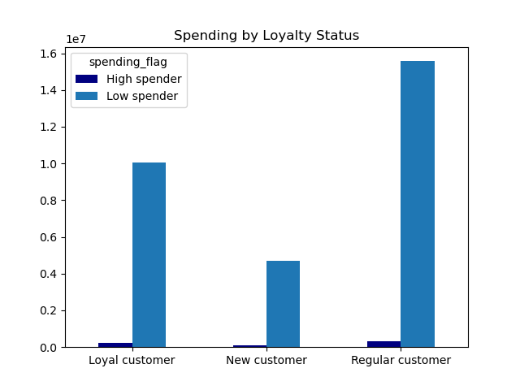

more than 40 orders
10 or fewer orders
10 < and <= 40 orders

High Spender: user's avg price is >= 10
Low Spender: user's avg price is < 10

7. Are there differences in ordering habits based on a customer’s region?

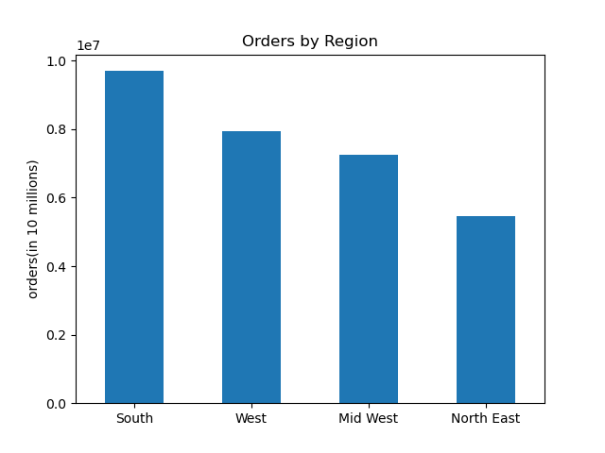
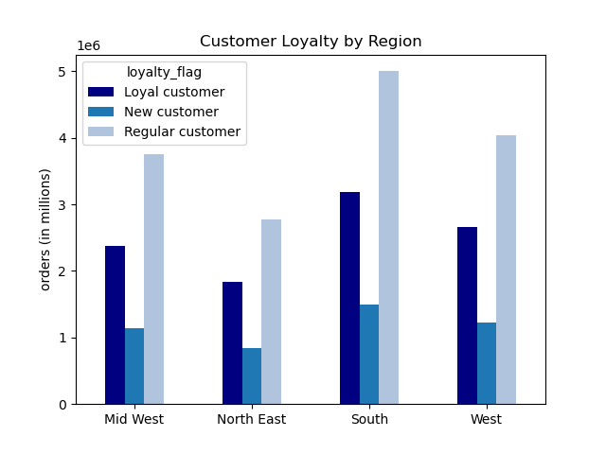
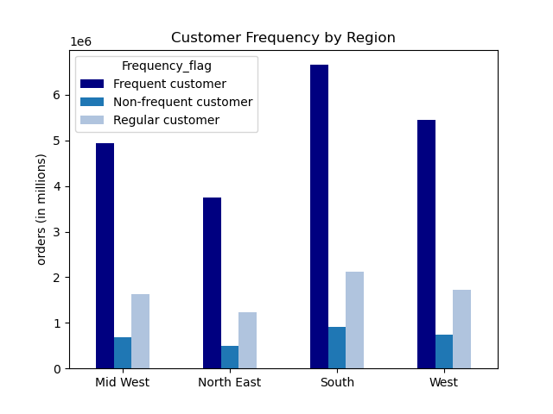

ANSWER: Customers in the South place the most orders, followed by the West, Mid West and North East respectively.
While orders vary by region, the loyalty and frequency do not.

8. Is there a connection between age and family status in terms of ordering habits?

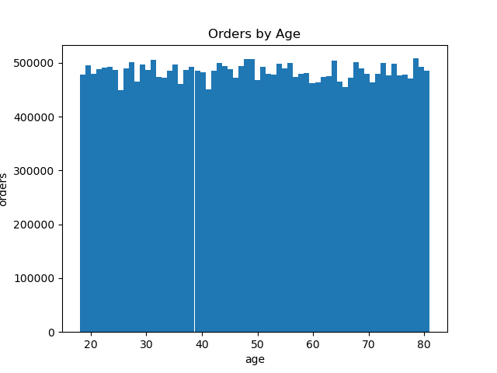
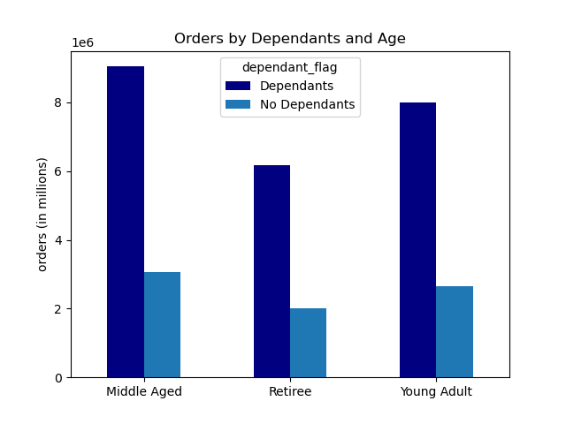
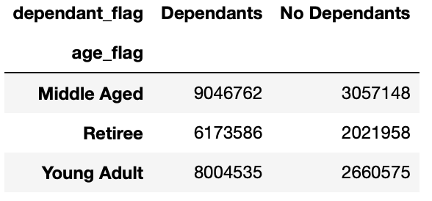

ANSWER: IC customers are all ages. That said, Middle Aged customers use IC most heavily.
Amongst all age groups, those with dependants make up 75% of users.
RECOMMENDATIONS: Increase advertising to families to capture more of that market. Additionally, look into why people without dependants use IC less. Is this ratio in line with the population with and without dependants?

9. What different classifications does the demographic information suggest? Age? Income? Certain types of goods? Family status?

Profile of customers by Age, Dependants and Income
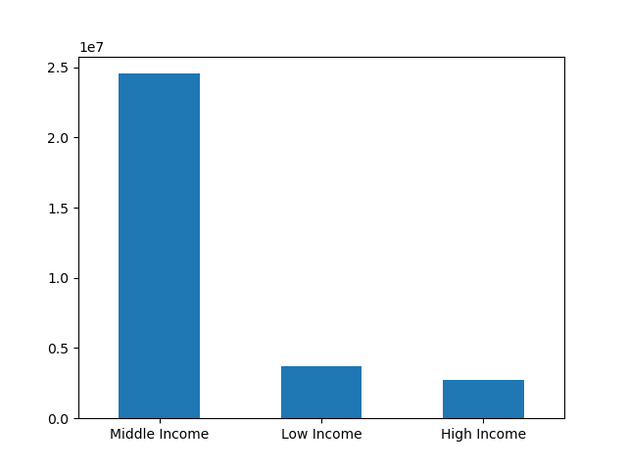
Customers by Income Level
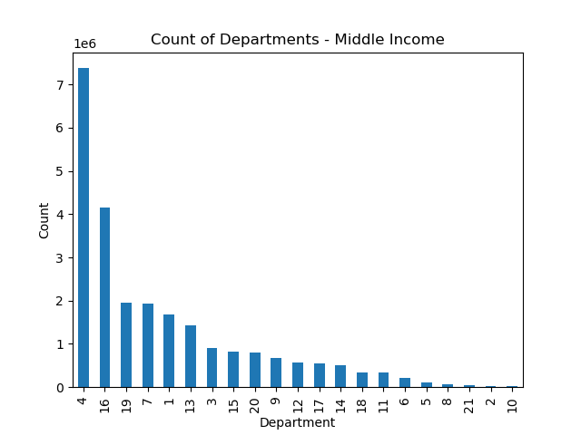
Middle Class - Count of Departments

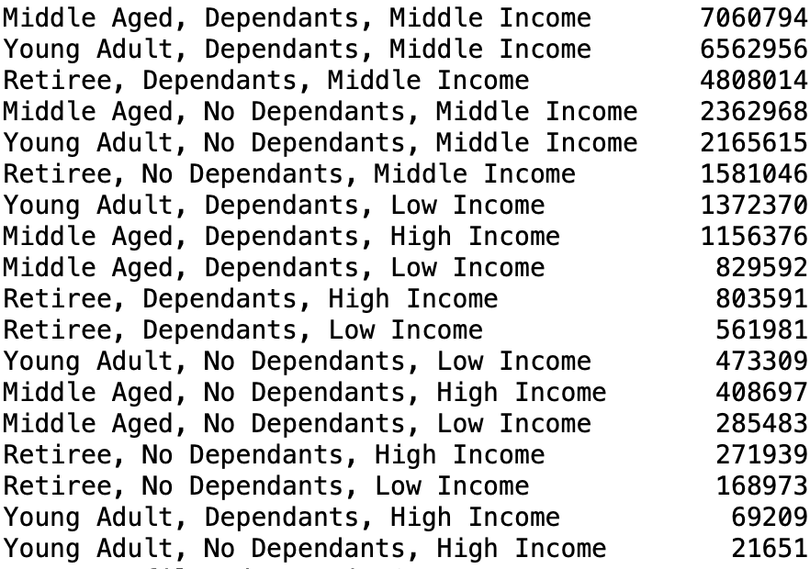

ANSWER: Middle income customers are the primary consumers of IC. Those with dependants are the top customers in the following order: Middle Aged, Young Adult, Retiree. In middle income customers, Departments 4 and 16 are most popular respectively.
RECOMMENDATIONS: Increase advertising to Middle Income families in order to gain more of that market. Additionally, look into why Low and High Income families are not using IC and strategize based on those findings.

10. What differences can you find in ordering habits of different customer profiles? Consider the price of orders, the frequency of orders, the products customers are ordering, and anything else you can think of.

Statistical Analysis of Profiles by Expenditure and User Frequency
ANSWER:
EXPENDITURE/FREQUENCY: Spending and frequency in ordering are steady across all demographics.
INCOME and DEPARTMENTS: While Middle Income customers hold the majority of purchases in all departments, High Income customers hold a higher than average percentage in purchases from Departments 5 and 8. Low Income customers place a proportionately larger number of orders in Departments 5, 10, 17, 19.
DEPENDANTS and DEPARTMENTS: There is no variation in the percentage of department sales based on dependant status.
DEPENDANTS and FREQUENCY: We see that people placing orders every 1-3 days are people with a median of ~2.1 dependants. Beyond 4 days, the median number of dependants holds around 1.5.
RECOMMENDATIONS:
Look more into department popularity amongst the different income levels. See if there is a way to increase the purchasing of those products in those groups.
Incentivize more frequent ordering for customers with 2 or more dependants.
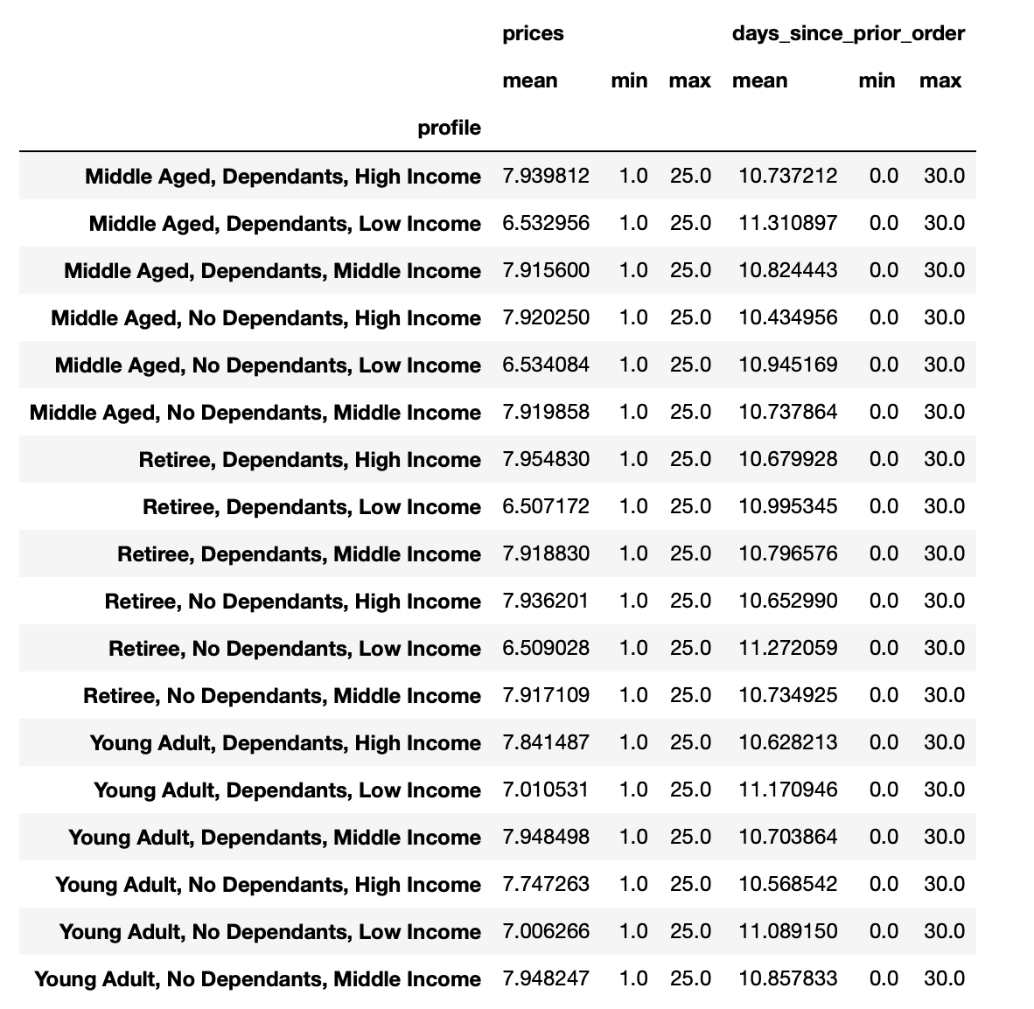

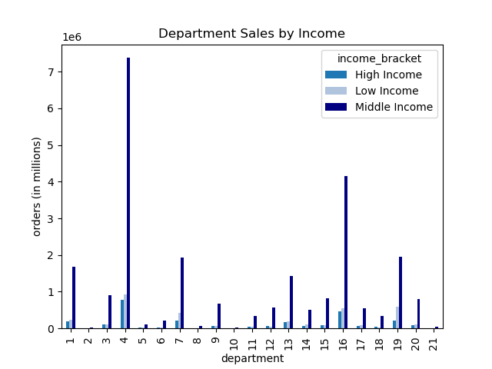
Departments by Income Bracket
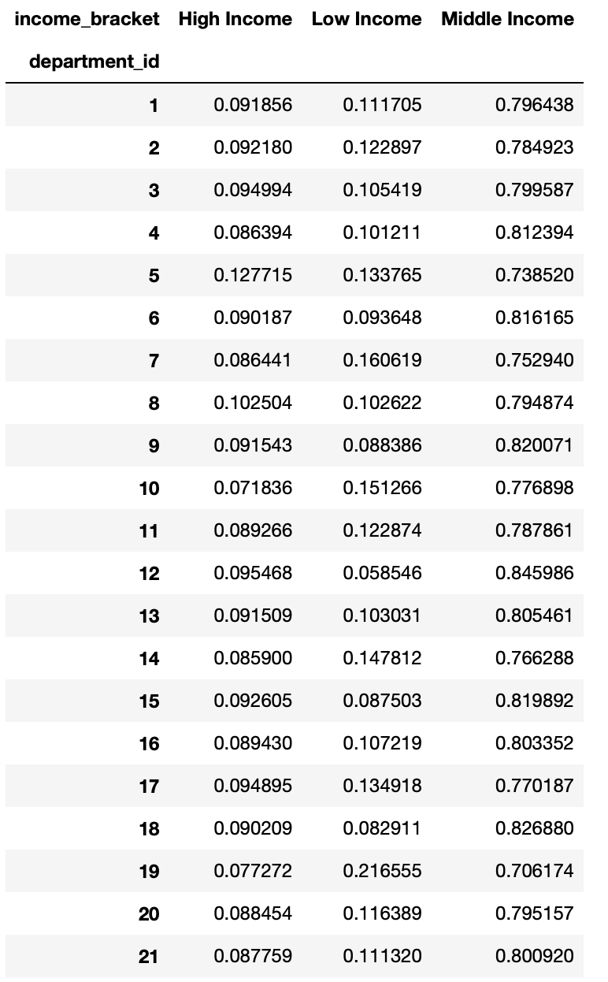

Departments by Dependant Status
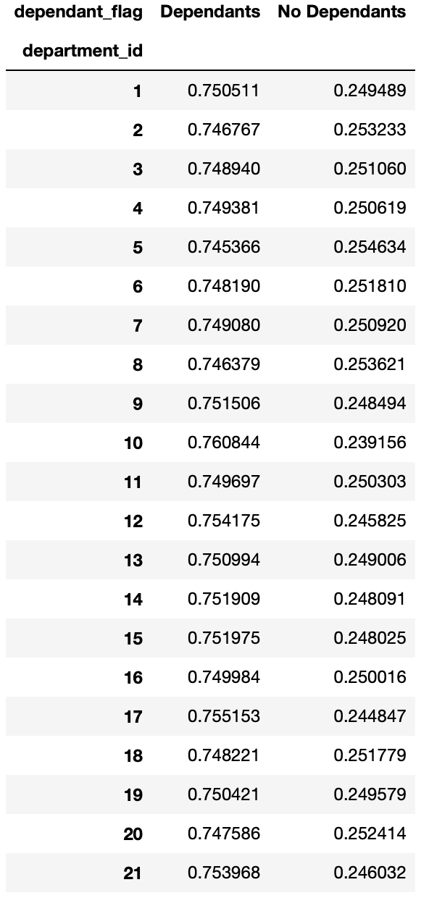
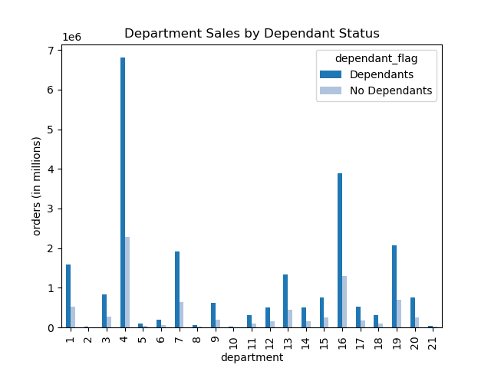

Order Frequency by Number of Dependants

